Sheet1
Disk Usage

[Test]

on JAZEH\PROD at 9/19/2021 11:36:56 PM

This report provides overview of the utilization of disk space within the Database.

Total Space Reserved |  |  | 10.00 | MB
Data Files Space Reserved |  |  | 8.00 | MB
Transaction Log Space Reserved |  |  | 2.00 | MB

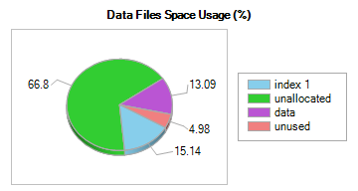 |  |  |  |  | 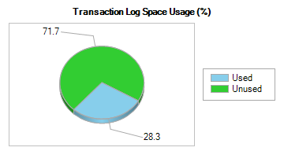

Event |  | Logical File Name | Start Time |  |  | Duration (ms.) | Change In Size (MB)
 | No entry found for autogrow/autoshrink event for Test database in the trace log.

Disk Space Used by Data Files

Filegroup Name |  | Logical File Name | Physical File Name |  |  |  | Space Reserved | Space Used
PRIMARY |  | Test | Z:\MSSQL\Test.mdf |  |  |  | 8.00 MB | 2.75 MB

Filegroup Name |  | Logical File Name | Physical File Name |  |  |  | Space Reserved | Space Used

